Wheels
 |  |  | S = Standard Equipment A = Available -- (dashes) = Not Available D = ADI Available ■ = Included in Equipment Group □ = Included in Equipment Group but upgradeable * = Indicates availability of feature on multiple models.
 |  |  | 1: Available on all models.
Orderable RPO Code | Ref. Only RPO Code | Wheels | Description | Work Truck 1WT1 | LT 1LT1
 | PYW | 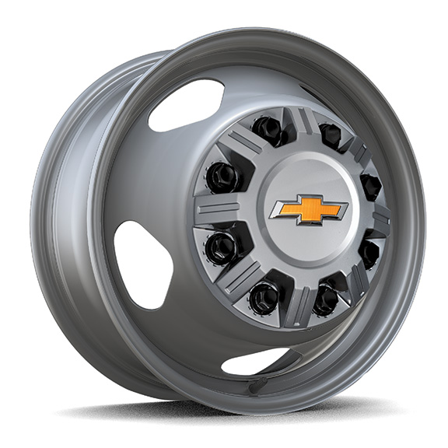 | Wheels, 17" (43.2 cm) painted steel | S | S
P06 |  | 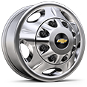 | Wheel trim, Chrome trim skins and chrome centre caps | A | S
 | P03 | 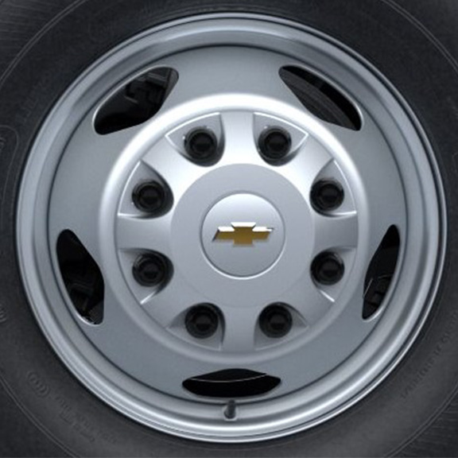 | Wheel trim, painted centre caps | S | --

